PRADEL
PRADEL LUXURY FRENCH KITCHEN
PHOTOS | REF | DESCR FRENCH | DESCR ENGLISH | QTY | RETAIL | TOTAL | LINK
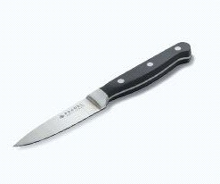 | Couteau office Pradel | Lame:8cm Acier inoxydable et ABS riveté. Assure une coupe parfaite pour trancher, emincer, peler les fruits et légumes, couper les oignons et échalotes, parer les viandes. | Blade: 8 cm Stainless steel and riveted ABS. Ensures a perfect cut for slicing, mincing, peeling fruits and vegetables, chopping onions and shallots, and trimming meat | 1,068 | 14.90 € | 15,913.20 € | https://www.pradel-privilege.com/produits/couteau-office/
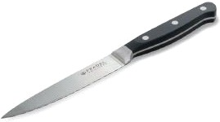 | Couteau multi usage Pradel | Lame : 12cm Acier inoxydable et ABS riveté. C'est le couteau multifonctions le plus polyvalent, pour emincer oignons, echalotes, ail et couper le fromage. | Blade: 12 cm Stainless steel and riveted ABS. This is the most versatile multi-purpose knife, ideal for slicing onions, shallots, and garlic, as well as cutting cheese. | 1,704 | 19.90 € | 33,909.60 € | https://www.pradel-privilege.com/produits/couteau-multi-usages/
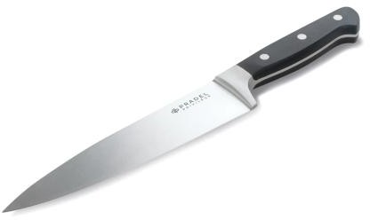 | Couteau de chef Pradel | Lame : 20cm Acier inoxydable et ABS riveté. C'est le couteau multifonctions le plus polyvalent, pour emincer oignons, echalotes, ail et couper le fromage. | Blade: 20 cm Stainless steel and riveted ABS. This is the most versatile multi-purpose knife, ideal for slicing onions, shallots, and garlic, as well as cutting cheese. | 2,436 | 24.90 € | 60,656.40 € | https://www.pradel-privilege.com/produits/couteau-de-chef/
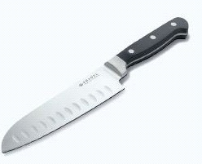 | Couteau santoku Pradel | Lame : 17,5cm Acier inoxydable et ABS riveté. Idéal pour découper, trancher et émincer légumes, viandes et poissons de taille épaisse. | Blade: 17.5 cm Stainless steel and riveted ABS. Ideal for cutting, slicing, and mincing vegetables, meat, and thick cuts of fish. | 4,740 | 24.90 € | 118,026.00 € | https://www.pradel-privilege.com/produits/couteau-santoku/
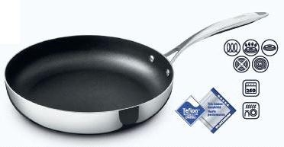 | Poele 28 cm Pradel | Compatible tous feux, y compris induction. Acier inoxydable. Revêtement antiadhérent Teflon™ Platinum. | "Compatible with all stovetops, including induction. Stainless steel. Teflon™ Platinum non-stick coating." | 756 | 64.90 € | 49,064.40 € | https://www.pradel-privilege.com/produits/poele-28cm-inox/
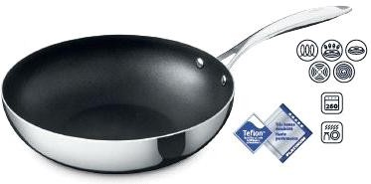 | Wok inox Pradel 28 cm | Compatible tous feux, y compris induction. Acier inoxydable. Revetement antiadherent Teflon™ Platinum. | Compatible with all stovetops, including induction. Stainless steel. Teflon™ Platinum non-stick coating. | 3,500 | 74.90 € | 262,150.00 € | https://www.pradel-privilege.com/produits/wok-28cm-inox/
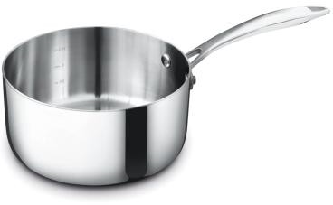 | Casserole 18 cm | Casserole 18cm Acier Inoxydable Tous Feux Dont Induction PRADEL PRIVILEGE | PRADEL PRIVILEGE 18cm Stainless Steel Saucepan – Suitable for All Hobs, Including Induction | 464 | 49.90 € | 23,153.60 € | https://www.pradel-privilege.com/produits/casserole-18cm-inox/
 | Poele 24 cm | Compatible tous feux, y compris induction. Acier inoxydable. Revêtement antiadhérent Teflon™ Platinum. | Compatible with all stovetops, including induction. Stainless steel. Teflon™ Platinum non-stick coating. | 228 | 54.90 € | 12,517.20 € | https://www.pradel-privilege.com/produits/poele-24cm-inox/
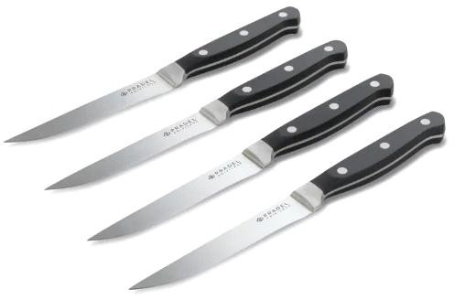 | COUTEAUX A STEAK | Couteau à steak 16,5x27,5x2,2cm PRADEL PRIVILGE | PRADEL PRIVILÈGE Steak Knife 16.5 x 27.5 x 2.2 cm | 168 | 39.00 € | 6,552.00 € | https://www.pradel-privilege.com/produits/couteau-a-steak/
TOTAL PRADEL |  |  |  | 15,064 | 38.63 € | 581,942.40 €

